1.Snowflake❄️
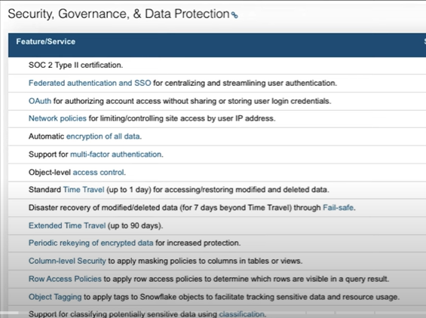
SNOWFLAKE ❄️

Snowflake is feature rich, pay as u go, cloud DWH platform. Fully loaded with security features like MFA, Data encrytion, etc.
❄️ Multi-cloud support (AWS, GCP, AZURE)
❄️Feature rich and pay as u go model.
❄️Unique 3 layer architecture and storage/compute decoupled.
❄️Data Encryption (rest and in transit)
❄️Multi-factor authentication
❄️Column level masking and Row level security
❄️Sensitive data classification and object tagging.
❄️Governance

> All the objects in snowflake is called securable objects

ROLES AND GRANTS
 | what is RBAC and DAC concepts?
Account Admin | Default roles in snowflake
Security Admin | role hierarchy and its power
User Admin | grants privileges
Sys Admin | sql commands for roles
PUBLIC | roles and data privacy
 | design and implement roles in sn.

 | Default roles when snowflake instance is created?
>> accountadmin and securityadmin roles can create users | Why we need so many default roles in snowflake, and whats purpose for each role?
>>Best practice - prefer creating roles using security admin role and don't create any object using account admin role | How to achieve data privacy and protect our data from superusers?
>> Default PUBLIC role is assigned to when user is created, new users | snowflake can host any data projects in single instance, and can also host dev, qa, prod env so how to design and implement roles so it can be managed effectively.
>> DESCRIBE USER user_name to see user properties
>>SHOW GRANTS TO USER -to see user properties including default role & secondary role
>>SHOW GRANTS ON USER - to list who have ownership to this user like securityadmin or accountadmin

two types of roles

1. System-Defined Roles (built-in by Snowflake)
Role
ACCOUNTADMIN - Superuser with access to everything. Can manage all users, roles, objects.
SECURITYADMIN- Manages roles, users, and grants. Cannot access data unless granted.
SYSADMIN - Creates/owns warehouses, databases, schemas, tables, etc.
USERADMIN - Creates and manages users and their roles.
PUBLIC - Default role assigned to every user. Has very limited access.

2. Custom Roles (you create based on your org’s needs)
Examples: Analyst → read-only access to reporting tables data_engineer → read/write access to staging and processing tables etl_admin → manage Snowpipe, tasks, and pipelines finance_team → access to finance schema only
You define them like this: CREATE ROLE analyst; GRANT SELECT ON ALL TABLES IN SCHEMA sales_db.public TO ROLE analyst; GRANT ROLE analyst TO USER alice;

HOW RBAC AND DAC WORKS IN SNOWFLAKE?
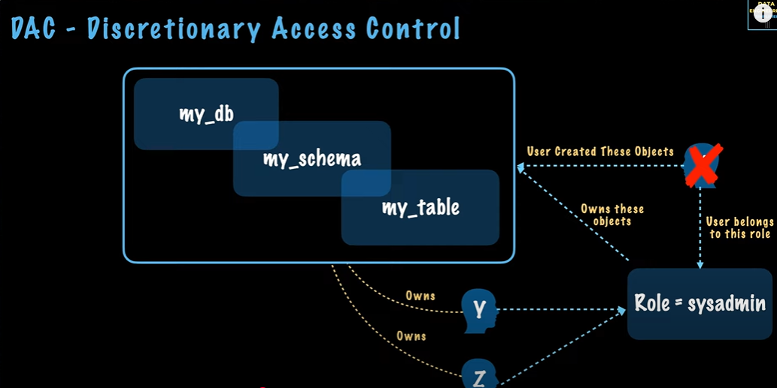
DAC - Discretionary Access Control
In SN, each object has an owner who can grant access to that object to other roles.
So, if you see devteam is created by accountadmin role and got ownership to this user object.
>> concept : there are lot of objects under schema , all those objects are created by different users at different point of time.
>>Since, these users belongs to 1 role say sysadmin =>> so all those objects are owned by a role and not by individual entities or users. This is imp concept, so design ur roles in snowflake very carefully.
If 1 object like DB is created by 1 user, another user can modify or delete that object.

RBAC
It's a security model used to control access to data and objects in Snowflake by assigning roles to users and privileges to roles
Users are assigned roles, and roles are granted specific permissions.
>>>>>>It’s about assigning permissions to roles, and then assigning roles to users.
Users are assigned roles.
Roles have privileges on objects (like tables, schemas, databases).
Roles can be nested (hierarchical), which means one role can inherit privileges from another.

Example:
1. Create a Role : CREATE ROLE analyst;
2. Assign Role to a User : GRANT ROLE analyst TO USER alice;
3. Grant Privileges to the Role : GRANT USAGE ON DATABASE sales_db TO ROLE analyst;
GRANT USAGE ON SCHEMA sales_db.public TO ROLE analyst;
GRANT SELECT ON ALL TABLES IN SCHEMA sales_db.public TO ROLE analyst;
4. Role Hierarchies (Optional) : CREATE ROLE senior_analyst; GRANT ROLE analyst TO ROLE senior_analyst; -- Inheritance GRANT ROLE senior_analyst TO USER bob;

RECAP -> User --> Role --> Privileges on Objects

Editions

1. Standard Edition
2. Enterprise Edition
3. Business Critical Edition
4. Virtual Private Snowflake

4.DB,TABLES,SCHEMA
1. TABLE - STRUCTURE
Micro-partitions & Data Clustering | Snowflake micro-partitions are derived automatically, they don't need to be explicitly defined up-front or maintained by users.
Micro partitions are small subsets of data which are automatically stored by SN. By default all data in SN tables are automatically divided into micro partitions. Each partition contain 50MB to 500MB data. | Micro-part. Are small , this size and structure enables efficient DML and fine-grained pruning of very large tables. | 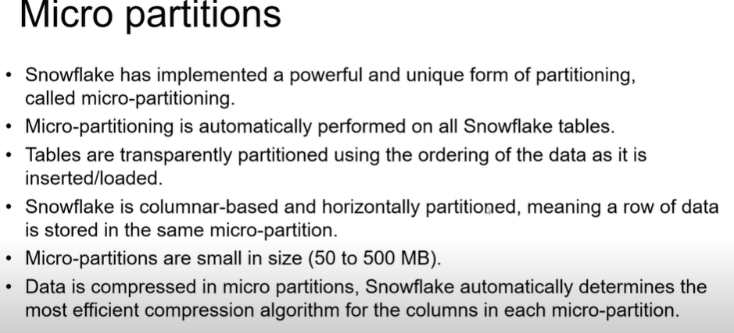
Size and structure of this micro-partition allows better efficiency than processing queries. | Columns are also compressed individually within micro-partitions. Snowflake automatically determines most efficient compression algorithm for column in each micro-partitions.
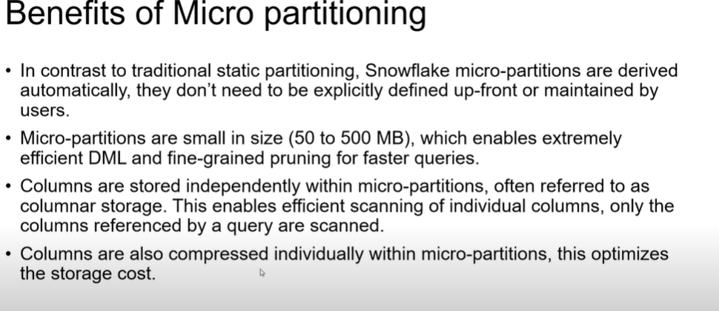
Allows to perform extremely efficient DML bt also filtering on very large tables which can be composed of millions of micro-partitions. | Columns are stored independently within micro-partitions and row of data is stored in same micro-partition.

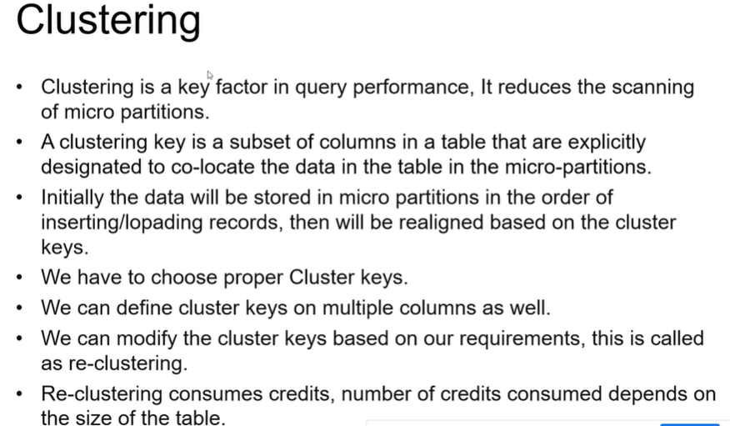
Clustering refers to the way data is physically organized in micro-partitions to improve query performance.

WHY CLUSTERING? - Snowflake’s clustering is about optimizing data retrieval efficiency.

Clustering is beneficial for large tables when:
✅ Queries frequently filter or join on specific columns.
✅ Data is inserted/updated regularly, causing fragmentation.
✅ Performance is impacted by scanning too many partitions.

How Clustering Works in Snowflake

Automatic Clustering: Snowflake automatically sorts data in micro-partitions, minimizing the need for manual intervention.
Cluster Keys: You can define explicit clustering using one or more columns (especially useful for large tables).
Reclustering: Over time, data may become unorganized. Snowflake can recluster data to maintain efficiency.

Define clustering key
ALTER TABLE my_table
CLUSTER BY (customer_id, order_date);

Check cluster info
SELECT * FROM TABLE(INFORMATION_SCHEMA.QUERY_HISTORY())
WHERE QUERY_TEXT LIKE '%CLUSTER%';

Reclustering
ALTER TABLE my_table RECLUSTER;

Cluster keys helps in query performance, cluster key is created automatically in snowflake.
Improves scan efficiency, optimize data

2. TYPES OF TABLES

1. Temporary Tables | notes:You cannot create hybrid tables that are temporary or transient. In turn, you cannot create hybrid tables within transient schemas or databases.
2. Transient tables | notes:In addition to tables, Snowflake supports creating certain other database objects as temporary (e.g. stages). These objects follow the same semantics (i.e. they are session-based, persisting only for the remainder of the session).
3. External Tables
4. Permanent tables - default table type in snowflake
5. Hybrid tables
6. Apache iceberg tables

Temporary Tables
>>> Storing data that does not need to be maintained for extended periods of time (i.e. transitory data).
>>> Temporary tables only exist within the session in which they were created and persist only for the remainder of the session.
>>> storing non-permanent, transitory data (e.g. ETL data, session-specific data).
>>>they are not visible to other users or sessions
>>> Once the session ends, data stored in the table is purged completely from the system and, therefore, is not recoverable, either by the user who created the table or Snowflake.
>>> Storage charges, for the duration of the existence of a temporary table,
>>>You can also explicitly exit the session, for large temporary tables in sessions to avoid charges
>>>temporary tables belong to a specified database and schema; however, because they are session-based, they aren’t bound by the same uniqueness requirements.
>>>you can create temporary and non-temporary tables with the same name within the same schema.
>>>After creation, temporary tables cannot be converted to any other table type.

Transient Table | NOTES: Transient DB & Schema, Snowflake also supports creating transient databases and schemas.
>>>persist until explicitly dropped
>>> Transient tables are similar to permanent tables with the key difference that they do not have a Fail-safe period.
>>>transient tables are specifically designed for transitory data that needs to be maintained beyond each session (in contrast to temporary tables), but does not need the same level of data protection and recovery provided by permanent tables.
>>>contribute to the overall storage charges, but there are no Fail-safe costs
>>>When you create a transient table as a clone of a permanent table, Snowflake creates a zero-copy clone. BCS it utilizes no data storage because it shares all of the existing micro-partitions of the original permanent table.
>>>If the transient table clone shares any micro-partitions with the permanent table when it is deleted, those shared bytes will only enter Fail-safe when the transient table is deleted.

External Tables
>>>allows you to query data stored in an external stage as if the data were inside a table in Snowflake.
>>>The external stage is not part of Snowflake, so Snowflake does not store or manage the stage.
>>> External tables can access data stored in any format that the COPY INTO <table> command supports except XML.
>>> External tables are read-only.
>>> You cannot perform data manipulation language (DML) operations on them. BUT you can use external tables for query and join operations. You can also create views against external tables.

Hybrid Tables
>>>Hybrid Tables are a new table type in Snowflake that combine fast, low-latency transactional performance (similar to traditional RDBMS systems) with Snowflake’s scalable analytical engine. This makes it possible to run OLTP and OLAP workloads in the same platform.
>>>Optimized for millisecond-level performance.
>>>When to Use Hybrid Tables : Shopping carts, user sessions, financial transactions |  | Table Type | Persistence | Storage Cost
>>>Hybrid tables also enforce unique and referential integrity constraints, which are critical for transactional workloads. |  | Permanent | Yes | Yes
>>>You can use a hybrid table along with other Snowflake tables and features to power Unistore workloads that bring transactional and analytical data together in a single platform. |  | Temporary | Session | Yes
>>>You can join hybrid tables with other Snowflake tables; queries executed natively and efficiently in the same query engine. |  | Transient | Yes | Yes (cheaper)
>>>Creating and using indexes is a key component to achieving optimal performance for hybrid tables. |  | External | Yes | External (e.g., S3)

Permanent Tables
>>> P T stores until it is explicitly deleted (using DROP TABLE). This is typically used for storing production or business-critical data.
>>> consumes storage, Data is persistent, even after session ends or system restarts.
>>>Can be cloned, backed up, and restored.

Ice berg Tables
>>> Apache ice berg tables is an open table format for large datasets which is used in data lakes architecture.
>>> It provides many features which customers want from data lake tables like schema evolution, hidden partitioning, time travel, increase performance and safe concurrency.
>>> Bcs ice berg is open, several processing engines and tools can co-exists and bring insights to datasets.
>>> Netflix donated ice berg to Apache foundation.
>>> It addresses gaps from previous solutions, that made analytics over datalakes difficult.
>>> You can use tools which you need for data pipeline
>>> If you need insights from your data lakes from several tools and pipelines, ice berg is best approach.
>>> External tables supports many formats one of which is ice berg.
>>>Snowflake treats Iceberg tables as external tables, but with Iceberg’s powerful capabilities.
>>>Query Iceberg tables stored in cloud storage.
>>>Join Iceberg and Snowflake tables.
>>>Use Snowflake’s compute engine to run queries on data stored externally.

CREATE EXTERNAL TABLE my_iceberg_table
WITH LOCATION = 's3://your-bucket/path/'
STORED AS ICEBERG;

Dynamic Tables
>>>Dynamic tables materialize the results of a specified query.
>>> Instead of creating a separate target table and writing code to transform and update the data in that table, you can define the target table as a dynamic table, and you can specify the SQL statement that performs the transformation |  | Object type | Pros | Cons
>>> Background automation then keeps the dynamic table up to date based on the refresh criteria that you specify. |  | View | Simple, easily defined, consumes no storage. | Inflexible, slow, requires compute to generate results.
 |  | Materialized View | Fast results retrieval. Relatively simple definition. Somewhat flexible. Always up to date. | Incurs compute to keep up to date. Consumes storage.
 |  | Dynamic Tables | Extremely fast results retrieval. Relatively simple definition. Very flexible. Fine control on refresh. Can provide complex transformations. | Incurs compute cost to be kept up to date. Consumes storage. Requires careful consideration as to how often to refresh, and when and how to refresh.

Snowflake stores DATE and TIMESTAMP data more efficiently than VARCHAR, resulting in better query performance.
VIEWS
Types of views:
NORMAL OR NON-MATERIALIZED VIEW
MATERIALIZED VIEW
SECURE VIEWS
TEMPORARY VIEW

>>> a view is a virtual table based on the result set of a SQL query
>>> It doesn't store data physically like a table, but rather provides a way to query data from one or more tables
>>>Create reusable business logic
>>>a view is a virtual table based on the result set of a SQL query. It doesn't store data physically like a table, but rather provides a way to query data from one or more tables using a predefined SQL statement.
>>> Standard view - create view, always shows latest data
>>> Materialized view - create materialized view, results stored physically, automatically refreshed as data changes
>>>allows the result of a query to be accessed as if it were a table, including linking (or in database parlance, joining) two or more tables or other views into a single logical view.
>>>Once defined, views can be queried like any other table.

MATERIALIZED VIEWS
>>>The results are physically stored, and automatically refreshed as underlying data changes.
>>> in many ways it behaves more like a table.
>>>Faster query performance.
>>>Takes up storage and may have maintenance costs (refreshes).
>>> Provide the ability to pre-compute the dataset based on materialized view query.
>>>Because the result is pre-computed, querying a materialized view is faster than executing a query against the base table of the view.
>>>MV difference is visible when a query is run frequently or is sufficiently complex.
>>> Materialized views can speed up expensive aggregation, projection, and selection operations, especially those that run frequently and that run on large data sets.

SECURE VIEWS
>>>Both non-materialized and materialized views can be defined as secure.
>>> including improved data privacy and data sharing; however, they also have some performance impacts to take into consideration.

WHY VIEWS???
>>>Views help you to write clearer, more modular SQL code.
>>>It makes the code easier to understand, and also makes the code easier to debug because you can debug one view at a time, rather than the entire query.
>>>Views allow you to grant access to just a portion of the data in a table(s) : grant privileges on a particular view to a particular role.

Benefits of Materialized Views
>>>Materialized Views are designed to improve performance
>>> Scanning the materialized view can be much faster than scanning the table
>>>Materialized views also support clustering, and you can create multiple materialized views on the same data,

